Sheet1
 | YOU will receive this kind of email, the data interfaced on GL staging table and in IF table but it didn’t caught when processing into batch file
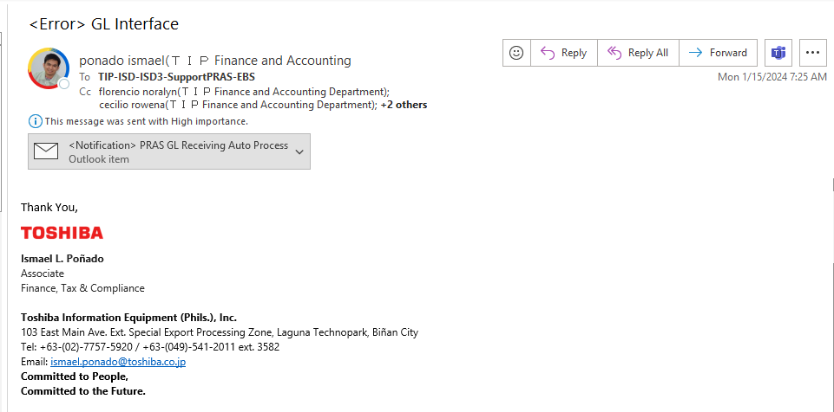

 |  | When opening the attached file, there is a 216 no. of data error that didn’t caught in the batch conversion

THINGS TO DO:
1. check the staging and interface table and to confirm the number of row error
I used the minus between STAGING and IF tables with condition of their request_id

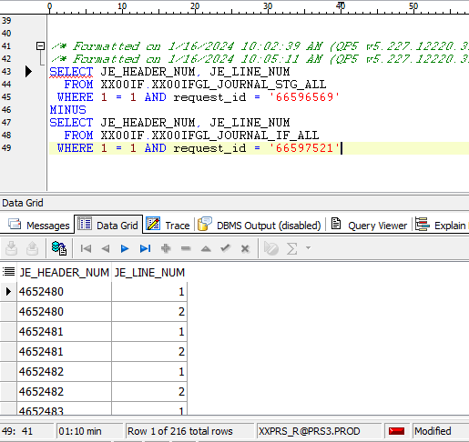

2. CHECK the IF tables if the the specific data is transferred or still interfaced. EXPLANATION: the TIPAUTO(ebs program that runs 3 am and 4:30pm Sunday-friday) didn’t caught the data starting from JE_HEADER_NUM = 4652480
The problem is the bug that maybe a lost connection in server that causes of not chaging the process_status into transfarred on JAN 15 but it caught on JAN 15

to check the request id:
1. log in XXTIPAUTO

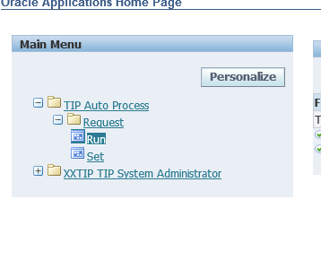

2. click run

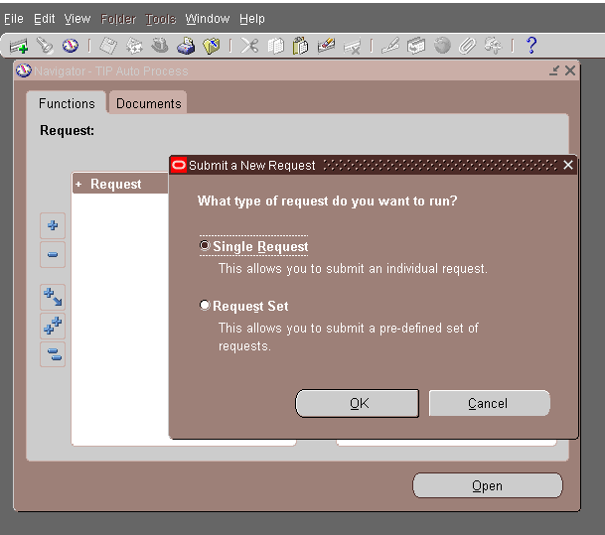

 | you will see this first, just close it

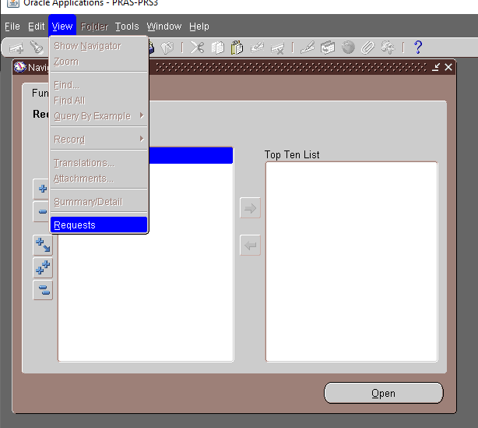

 | VIEW --> Requests

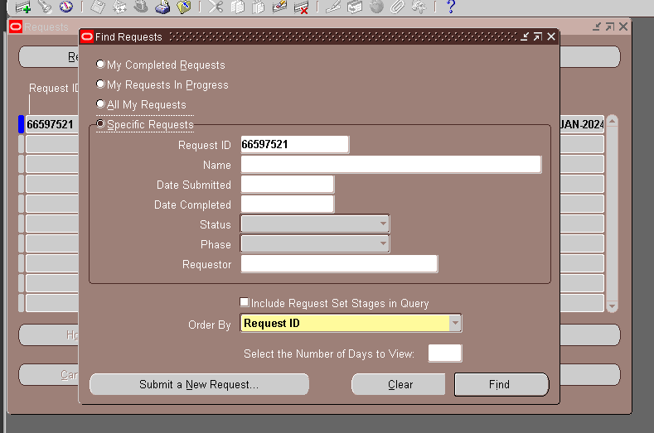

 | specific requests, and paste Request ID, find -> view log

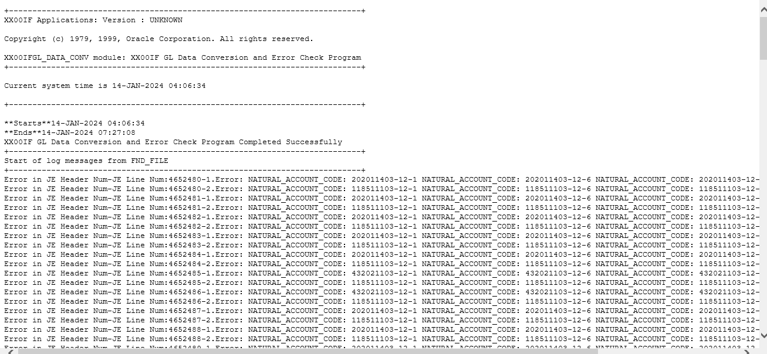

 | this is the logs, and info of error

next step is find the db link and search the natual _account _code to know the error

